results
 |  | 1 afv | 1 ivc | 1 svc | 1 tva | mean | dev.std
ms window | f1 scores
25 |  | 23.18% | 25.40% | 24.49% | 17.33% | 22.60% | 3.63%
30 |  | 97.04% | 98.41% | 92.52% | 100.00% | 96.99% | 3.22%
35 |  | 97.04% | 98.41% | 93.88% | 100.00% | 97.33% | 2.60%
40 |  | 97.04% | 98.41% | 95.24% | 100.00% | 97.67% | 2.02%
50 |  | 97.04% | 98.41% | 95.24% | 100.00% | 97.67% | 2.02%
60 |  | 97.04% | 98.41% | 95.24% | 100.00% | 97.67% | 2.02%

Beat not found |  | 9 | 2 | 4 | 0

 |  | 2 afv | 2 ivc | 2 svc | 2 tva | mean | dev.std
ms window | f1 scores
25 |  | 11.73% | 12.44% | 16.87% | 14.58% | 13.91% | 2.32%
30 |  | 37.43% | 45.93% | 38.55% | 58.33% | 45.06% | 9.62%
35 |  | 76.54% | 89.95% | 87.95% | 91.67% | 86.53% | 6.83%
40 |  | 85.75% | 93.74% | 93.98% | 95.83% | 92.33% | 4.48%
50 |  | 87.99% | 94.74% | 95.18% | 95.83% | 93.44% | 3.66%
60 |  | 87.99% | 94.74% | 95.18% | 95.83% | 93.44% | 3.66%

Beat not found |  | 28 | 5 | 2 | 1

 |  | 3 afv | 3 ivc | 3 svc | 3 tva | mean | dev.std
ms window | f1 scores
25 |  | 75.83% | 66.23% | 66.09% | 66.67% | 68.71% | 4.76%
30 |  | 99.90% | 98.70% | 98.71% | 99.10% | 99.10% | 0.56%
35 |  | 99.90% | 98.70% | 98.71% | 99.10% | 99.10% | 0.56%
40 |  | 99.90% | 98.70% | 98.71% | 99.10% | 99.10% | 0.56%
50 |  | 99.90% | 98.70% | 98.71% | 99.10% | 99.10% | 0.56%
60 |  | 99.90% | 98.70% | 98.71% | 99.10% | 99.10% | 0.56%

Beat not found |  | 2 | 2 | 2 | 1

 |  | 4 afv | 4 ivc | 4 svc | 4 tva | mean | dev.std
ms window | f1 scores
25 |  | 84.85% | 75.00% | 86.57% | 88.57% | 83.75% | 6.03%
30 |  | 85.99% | 75.00% | 86.57% | 88.57% | 84.03% | 6.12%
35 |  | 87.04% | 75.00% | 86.57% | 88.57% | 84.30% | 6.26%
40 |  | 88.70% | 75.00% | 86.57% | 88.57% | 84.71% | 6.55%
50 |  | 90.81% | 77.78% | 86.57% | 88.57% | 85.93% | 5.70%
60 |  | 93.08% | 86.11% | 86.57% | 88.57% | 88.58% | 3.18%

Beat not found |  | 106 | 1 | 0 | 0

 |  | 5 afv | 5 ivc | 5 svc | 5 tva | mean | dev.std
ms window | f1 scores
25 |  | 99.01% | 99.03% | 99.06% | 98.67% | 98.94% | 0.18%
30 |  | 99.01% | 99.03% | 99.06% | 98.67% | 98.94% | 0.18%
35 |  | 99.14% | 99.03% | 99.69% | 98.67% | 99.13% | 0.42%
40 |  | 99.14% | 99.03% | 99.69% | 98.67% | 99.13% | 0.42%
50 |  | 99.14% | 99.03% | 99.69% | 98.67% | 99.13% | 0.42%
60 |  | 99.51% | 99.03% | 99.69% | 98.67% | 99.23% | 0.46%

Beat not found |  | 4 | 1 | 1 | 1

 |  | 6 afv | 6 ivc | 6 svc | 6 tva | mean | dev.std
ms window | f1 scores
25 |  | 97.00% | 99.08% | 100.00% | 99.01% | 98.77% | 1.26%
30 |  | 97.00% | 99.08% | 100.00% | 99.01% | 98.77% | 1.26%
35 |  | 97.00% | 99.08% | 100.00% | 99.01% | 98.77% | 1.26%
40 |  | 97.29% | 99.08% | 100.00% | 99.01% | 98.85% | 1.13%
50 |  | 97.29% | 99.08% | 100.00% | 99.01% | 98.85% | 1.13%
60 |  | 97.29% | 99.08% | 100.00% | 99.01% | 98.85% | 1.13%

Beat not found |  | 14 | 1 | 0 | 1

 |  | 7 afv | 7 ivc | 7 svc | 7 tva | mean | dev.std
ms window | f1 scores
25 |  | 13.89% | 5.39% | 9.51% | 4.86% | 8.41% | 4.20%
30 |  | 15.10% | 6.77% | 10.53% | 5.67% | 9.52% | 4.26%
35 |  | 17.02% | 6.77% | 12.22% | 5.67% | 10.42% | 5.25%
40 |  | 19.16% | 8.54% | 15.28% | 7.29% | 12.57% | 5.62%
50 |  | 22.93% | 12.57% | 18.68% | 13.36% | 16.89% | 4.86%
60 |  | 29.63% | 13.11% | 19.35% | 13.36% | 18.86% | 7.74%

Beat not found |  | 1044 | 241 | 299 | 290

 |  | 8 afv | 8 ivc | 8 svc | 8 tva | mean | dev std
 | f1 scores
25 |  | 93.60% | 84.66% | 89.66% | 85.21% | 88.28% | 4.19%
30 |  | 99.94% | 98.41% | 98.85% | 98.22% | 98.86% | 0.77%
35 |  | 99.94% | 98.41% | 98.85% | 98.22% | 98.86% | 0.77%
40 |  | 99.94% | 98.41% | 98.85% | 98.22% | 98.86% | 0.77%
50 |  | 99.94% | 98.41% | 98.85% | 98.22% | 98.86% | 0.77%
60 |  | 99.94% | 98.41% | 98.85% | 98.22% | 98.86% | 0.77%

Beat not found |  | 1 | 2 | 2 | 2

MEAN e Devst
WITHOUT patient n°7
window ms | MEAN (f1) | Devst
25 | 67.85% | 33.61%
30 | 88.82% | 19.32%
35 | 94.86% | 6.95%
40 | 95.81% | 5.85%
50 | 96.14% | 5.24%
60 | 96.53% | 4.24%

patient 7
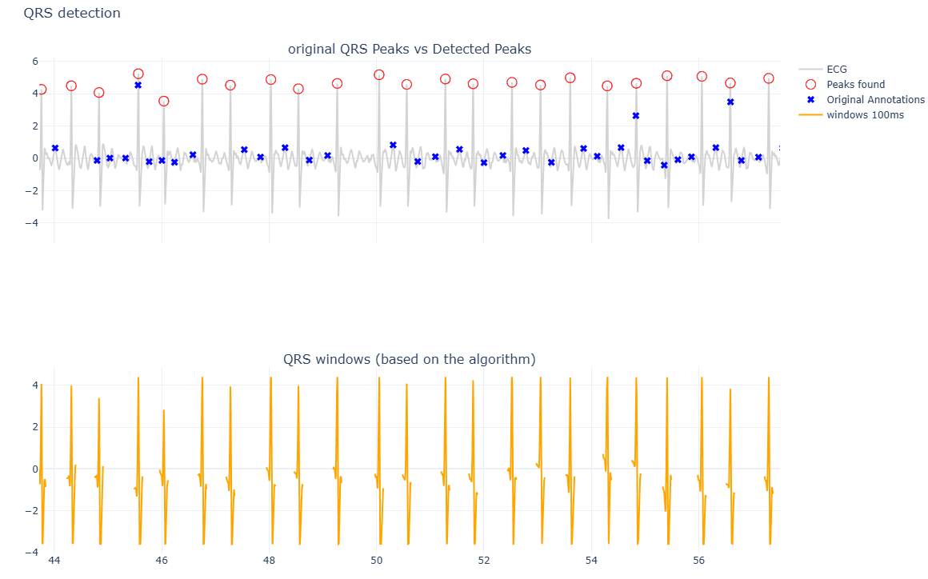
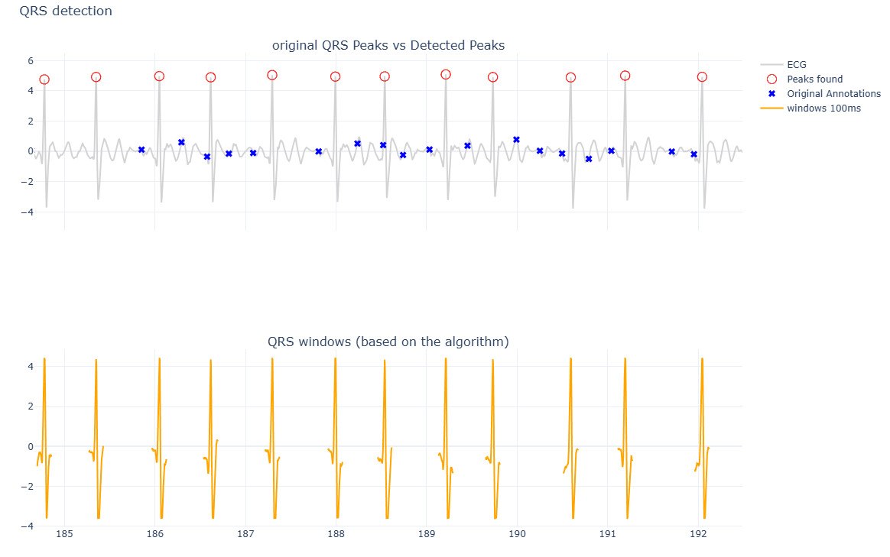
tva | ivc
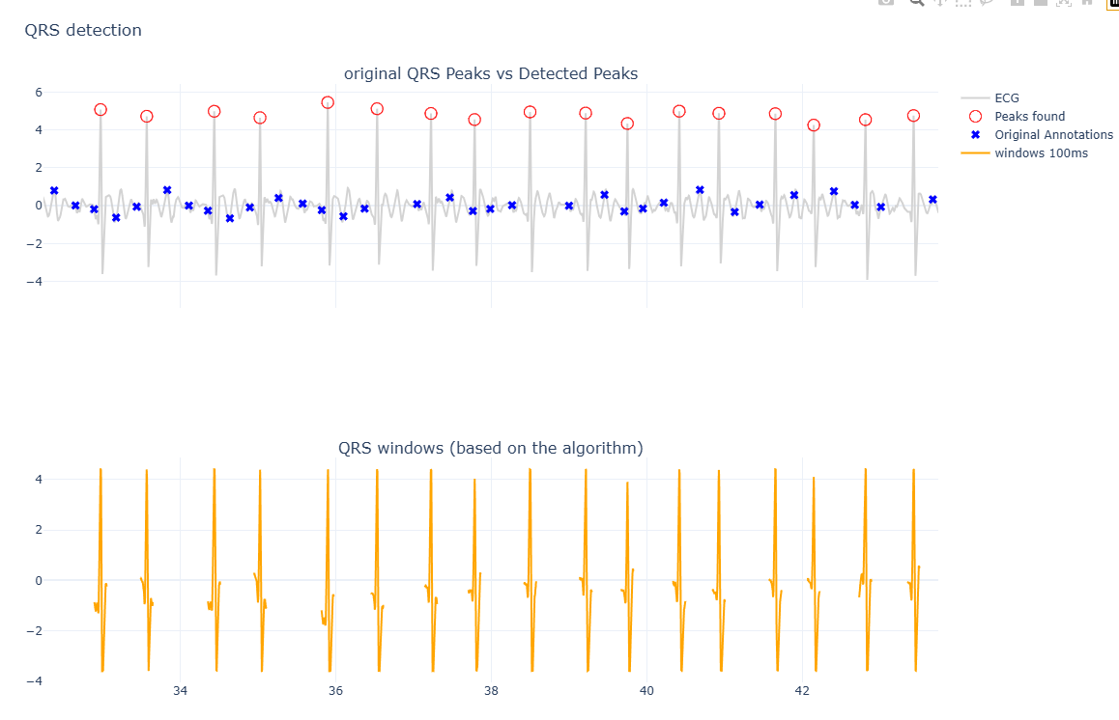
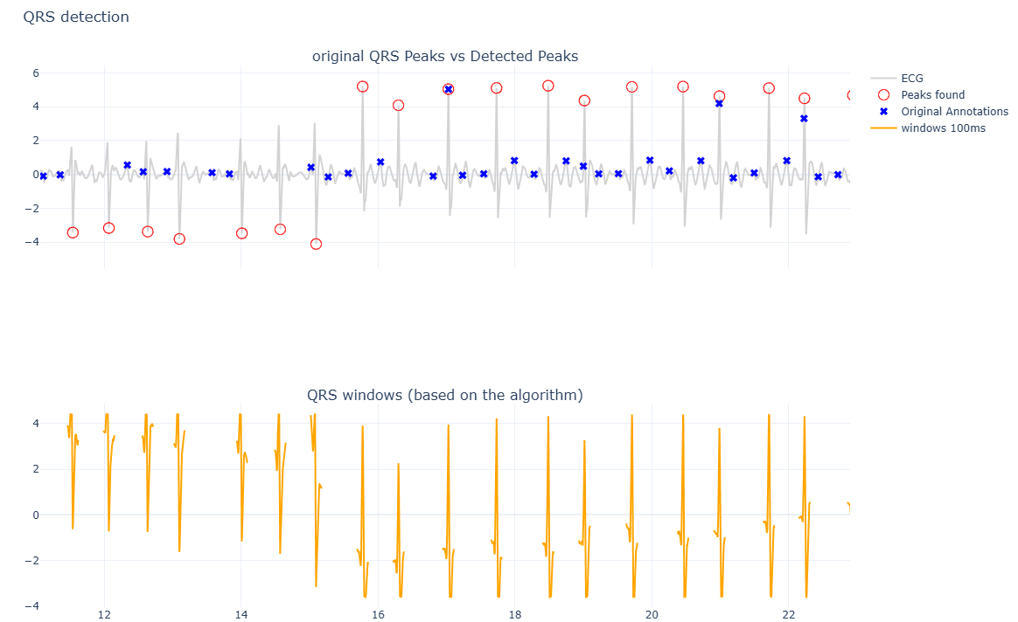

svc | afw

